OFFER
PHOTO | PHOTO | PHOTO | SKU | MODEL | COLOR | SEASON | COLOR DESCRIPTION | PRODUCT NAME | SUPPL. DESCRIPTION | PARENT GROUP | GENDER | WHS | RRP | 31 | 34 | 36 | 37 | 38 | 39 | 40 | 41 | 42 | 43 | 44 | 45 | 46 | 47 | 48 | TOT
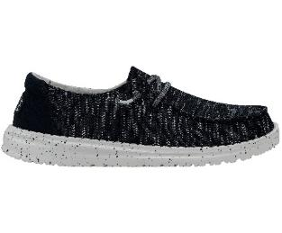 | 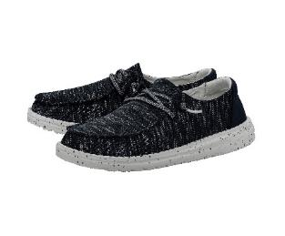 | 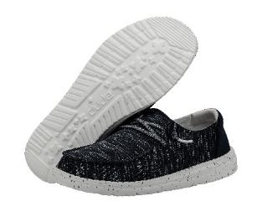 | 40078410 | 40078 | 410 | SS 2024 | NAVY | SLIP ON | WENDY SOX W | ADULT | FEMALE | 31.85 € | 69.99 € |  |  |  |  | 1 |  |  |  |  |  |  |  |  |  |  | 1
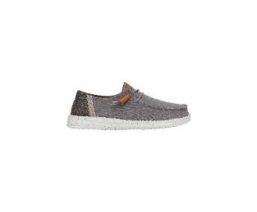 | 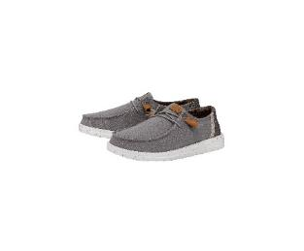 | 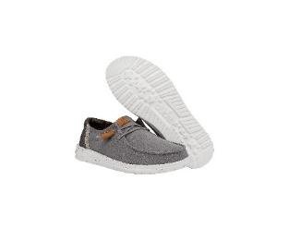 | 40297030 | 40297 | 030 | SS 2024 | GREY | MOCASSINS | WENDY WASHED CANVAS | ADULT | FEMALE | 34.55 € | 75.99 € |  |  |  |  | 3 |  |  |  |  |  |  |  |  |  |  | 3
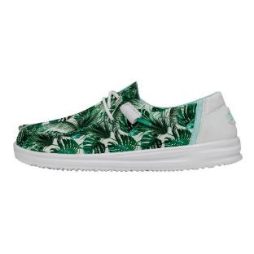 | 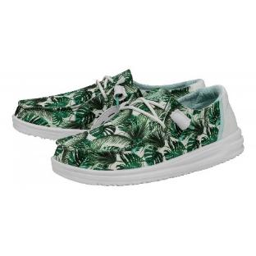 | 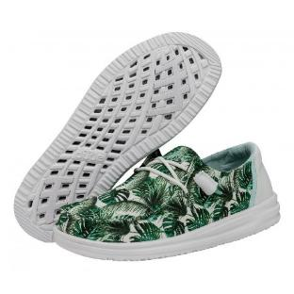 | 400673VI | 40067 | 3VI | SS 2023 | SUMMERDENDRON | MOCASSINS | WENDY H2O W | ADULT | FEMALE | 36.40 € | 79.99 € |  |  | 1 | 4 | 5 | 6 | 4 | 1 |  |  |  |  |  |  |  | 21
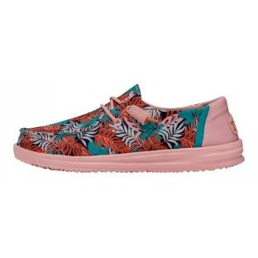 | 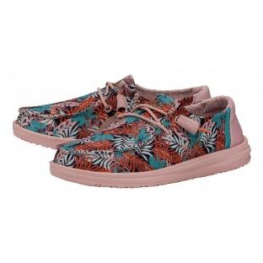 | 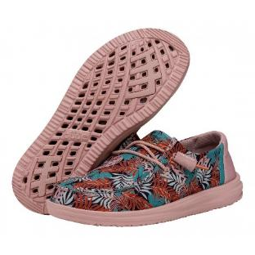 | 4006783Z | 40067 | 83Z | SS 2023 | FLORIDIAN | MOCASSINS | WENDY H2O W | ADULT | FEMALE | 36.40 € | 79.99 € |  |  | 1 | 2 | 3 | 3 | 2 | 1 |  |  |  |  |  |  |  | 12
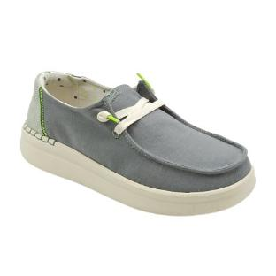 | 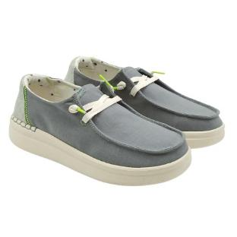 | 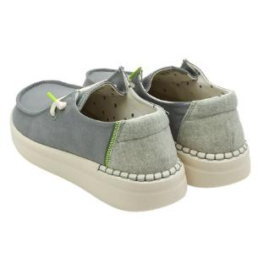 | 400741FU | 40074 | 1FU | SS 2023 | CHAMBRAY ABYSS BLUE | MOCASSINS | WENDY RISE W | ADULT | FEMALE | 31.85 € | 69.99 € |  |  | 3 | 8 | 11 | 10 | 6 | 5 |  |  |  |  |  |  |  | 43
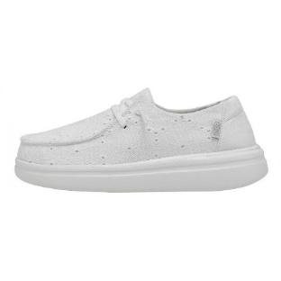 | 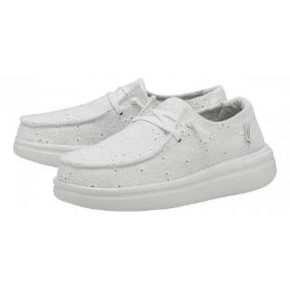 | 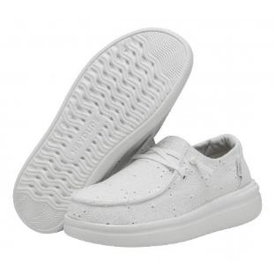 | 400759CT | 40075 | 9CT | SS 2024 | CHAPEL BELLS | MOCASSINS | WENDY RISE EYELET W | ADULT | FEMALE | 36.40 € | 79.99 € |  |  | 2 | 1 | 1 | 19 | 21 | 2 |  |  |  |  |  |  |  | 46
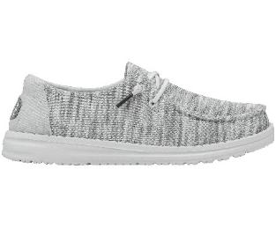 | 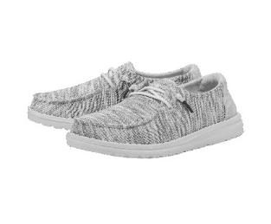 | 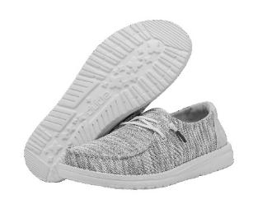 | 400781HD | 40078 | 1HD | SS 2024 | GLACIER GREY | MOCASSINS | WENDY SOX W | ADULT | FEMALE | 31.85 € | 69.99 € |  |  |  | 2 |  | 3 | 1 |  |  |  |  |  |  |  |  | 6
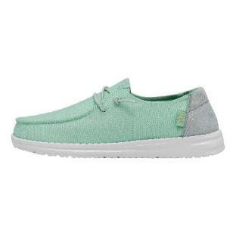 | 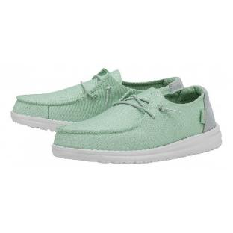 | 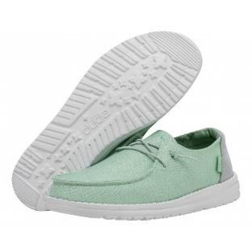 | 400793VA | 40079 | 3VA | SS 2023 | MOON STONE | MOCASSINS | WENDY GLITTER W | ADULT | FEMALE | 34.10 € | 74.99 € |  |  | 1 | 2 | 3 | 4 | 6 | 1 |  |  |  |  |  |  |  | 17
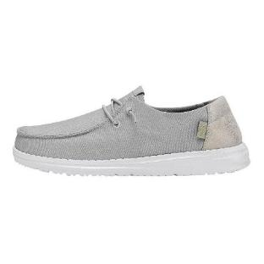 | 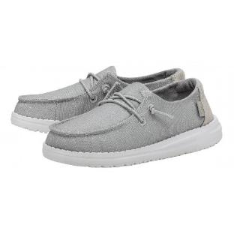 | 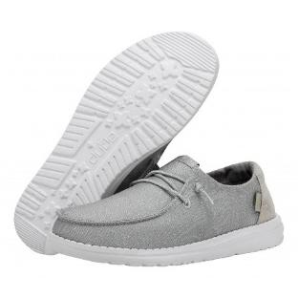 | 400794MY | 40079 | 4MY | SS 2023 | SMOKE QUARTZ | MOCASSINS | WENDY GLITTER W | ADULT | FEMALE | 34.10 € | 74.99 € |  |  |  |  |  | 13 | 14 | 1 |  |  |  |  |  |  |  | 28
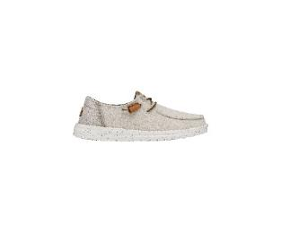 | 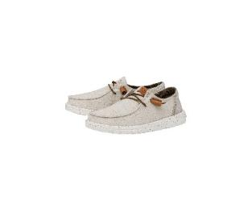 | 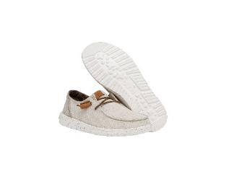 | 4029713R | 40297 | 13R | SS 2024 | CREAM | MOCASSINS | WENDY WASHED CANVAS | ADULT | FEMALE | 34.55 € | 75.99 € |  |  | 2 | 5 | 1 | 5 | 1 | 4 |  |  |  |  |  |  |  | 18
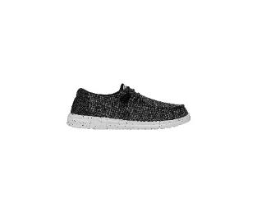 | 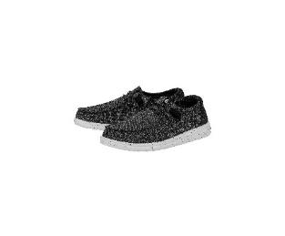 | 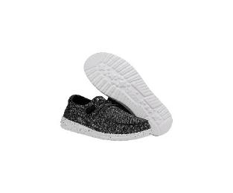 | 40549066 | 40549 | 066 | SS 2024 | BLACK/WHITE | MOCASSINS | WENDY SPORT KNIT W | ADULT | FEMALE | 31.85 € | 69.99 € |  |  | 2 | 4 | 6 | 7 | 5 | 3 |  |  |  |  |  |  |  | 27
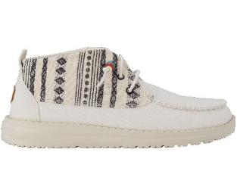 | 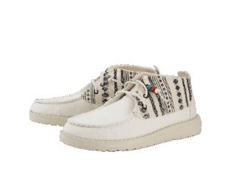 | 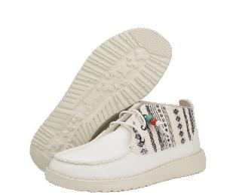 | 407511MW | 40751 | 1MW | SS 2024 | BAJA CREAM | MOCASSINS | WENDY MID BOHO MIX BAJA CREAM | ADULT | FEMALE | 39.10 € | 85.99 € |  |  | 7 | 10 | 14 | 9 | 7 | 7 |  |  |  |  |  |  |  | 54
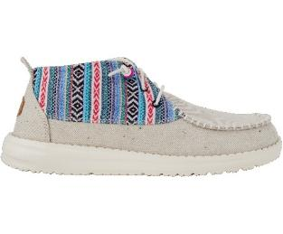 | 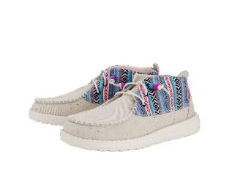 | 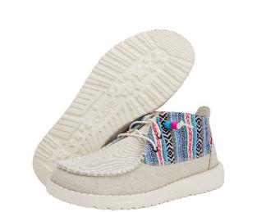 | 407511MX | 40751 | 1MX | SS 2024 | BAJA GREY | MOCASSINS | WENDY MID BOHO MIX BAJA CREAM | ADULT | FEMALE | 39.10 € | 85.99 € |  |  | 6 | 10 | 11 | 12 | 9 | 5 |  |  |  |  |  |  |  | 53
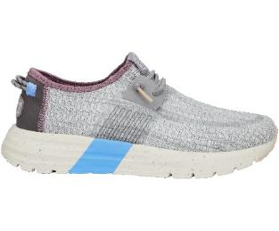 | 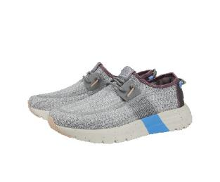 | 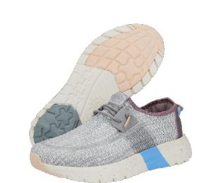 | 40761030 | 40761 | 030 | SS 2024 | GREY | SNEAKERS | SIROCCO W SPORT STRIPE | ADULT | FEMALE | 39.10 € | 85.99 € |  |  | 1 | 3 | 5 | 8 | 6 | 4 |  |  |  |  |  |  |  | 27
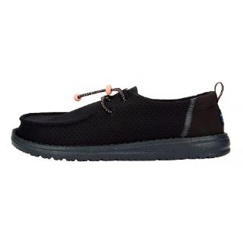 | 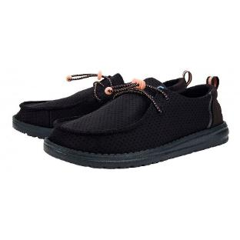 | 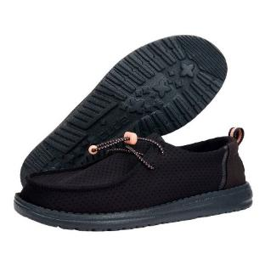 | 40779001 | 40779 | 001 | SS 2024 | BLACK | MOCASSINS | WENDY PERF SPORT | ADULT | FEMALE | 36.40 € | 79.99 € |  |  | 6 | 8 | 4 | 9 | 8 | 9 |  |  |  |  |  |  |  | 44
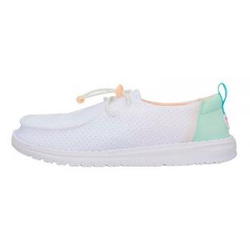 | 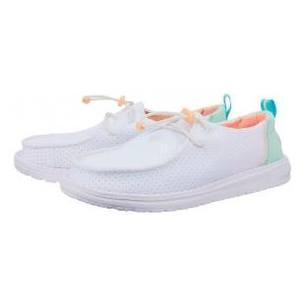 | 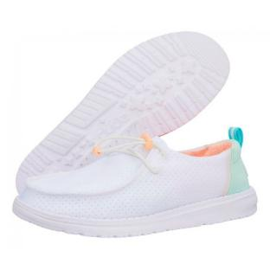 | 40779100 | 40779 | 100 | SS 2024 | WHITE | MOCASSINS | WENDY PERF SPORT | ADULT | FEMALE | 36.40 € | 79.99 € |  |  | 6 | 9 | 5 | 9 | 6 | 6 |  |  |  |  |  |  |  | 41
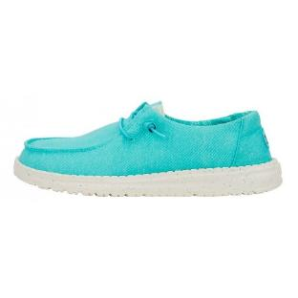 | 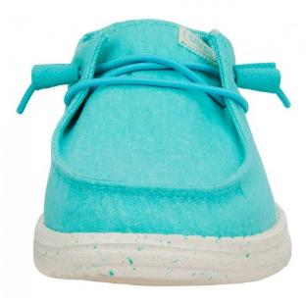 |  | 40902440 | 40902 | 440 | SS 2024 | TURQUOISE | MOCASSINS | WENDY STRETCH CANVAS | ADULT | FEMALE | 31.85 € | 69.99 € |  |  | 3 | 7 | 12 | 10 | 10 | 5 |  |  |  |  |  |  |  | 47
 |  |  | 41071100 | 41071 | 100 | SS 2024 | WHITE | SANDALS | COLLINS SANDAL MONO SPORT | ADULT | FEMALE | 34.55 € | 75.99 € |  |  | 4 | 1 | 6 | 4 | 3 | 4 |  |  |  |  |  |  |  | 22
 |  |  | 400714ME | 40071 | 4ME | SS 2023 | INDIGO | MOCASSINS | WENDY FRINGE W | ADULT | FEMALE | 31.85 € | 69.99 € |  |  |  |  | 1 | 4 | 1 | 3 |  |  |  |  |  |  |  | 9
 |  |  | 400746VM | 40074 | 6VM | SS 2024 | CHAMBRAY ROSE | SLIP ON | WENDY RISE W | ADULT | FEMALE | 31.85 € | 69.99 € |  |  |  | 9 | 7 | 16 | 29 | 6 |  |  |  |  |  |  |  | 67
 |  |  | 4007583J | 40075 | 83J | SS 2023 | BALLERINA | SLIP ON | WENDY RISE EYELET W | ADULT | FEMALE | 36.40 € | 79.99 € |  |  |  | 4 | 17 | 8 | 2 | 3 |  |  |  |  |  |  |  | 34
 |  |  | 400791JJ | 40079 | 1JJ | SS 2023 | CLOUD DUST | MOCASSINS | WENDY GLITTER W | ADULT | FEMALE | 34.10 € | 74.99 € |  |  |  |  |  |  | 1 |  |  |  |  |  |  |  |  | 1
 |  |  | 400796US | 40079 | 6US | SS 2023 | ROSE CRYSTAL | MOCASSINS | WENDY GLITTER W | ADULT | FEMALE | 34.10 € | 74.99 € |  |  | 4 | 5 | 8 | 7 | 5 |  |  |  |  |  |  |  |  | 29
 |  |  | 40255267 | 40255 | 267 | SS 2024 | WALNUT | MOCASSINS | WENDY PEAK CHAMBRAY W | ADULT | FEMALE | 36.40 € | 79.99 € |  |  | 5 | 10 | 16 | 8 |  |  | 1 |  |  |  |  |  |  | 40
 |  |  | 40297100 | 40297 | 100 | SS 2024 | WHITE | MOCASSINS | WENDY WASHED CANVAS | ADULT | FEMALE | 34.55 € | 75.99 € |  |  |  | 5 | 10 | 4 | 2 | 1 |  |  |  |  |  |  |  | 22
 |  |  | 40736100 | 40736 | 100 | SS 2024 | WHITE | MOCASSINS | WENDY FUNK JACQUARD | ADULT | FEMALE | 36.40 € | 79.99 € |  |  |  | 4 | 5 | 1 | 3 | 1 |  |  |  |  |  |  |  | 14
 |  |  | 40736205 | 40736 | 205 | SS 2024 | BEIGE | MOCASSINS | WENDY FUNK JACQUARD | ADULT | FEMALE | 36.40 € | 79.99 € |  |  |  | 1 | 1 | 4 | 4 | 1 |  |  |  |  |  |  |  | 11
 |  |  | 40736425 | 40736 | 425 | SS 2024 | BLUE | MOCASSINS | WENDY FUNK JACQUARD | ADULT | FEMALE | 36.40 € | 79.99 € |  |  |  |  |  |  |  |  |  |  |  |  |  |  |  | 0
 |  |  | 4105994S | 41059 | 94S | SS 2024 | WHITE/MULTI | SNEAKERS | SIROCCO COLORBLOCK W | ADULT | FEMALE | 39.10 € | 85.99 € |  |  |  | 1 | 4 | 3 | 2 | 2 |  |  |  |  |  |  |  | 12
 |  |  | 41071265 | 41071 | 265 | SS 2024 | TAN | SANDALS | COLLINS SANDAL MONO SPORT | ADULT | FEMALE | 34.55 € | 75.99 € |  |  | 6 | 6 | 4 |  | 5 | 3 |  |  |  |  |  |  |  | 24
 |  |  | 400544MH | 40054 | 4MH | SS 2024 | LIGHT DENIM | SLIP ON | WENDY BOHO W | ADULT | FEMALE | 34.55 € | 75.99 € |  |  |  |  | 2 | 22 | 20 | 10 |  |  |  |  |  |  |  | 54
 |  |  | 40075001 | 40075 | 001 | SS 2023 | BLACK | SLIP ON | WENDY RISE EYELET W | ADULT | FEMALE | 36.40 € | 79.99 € |  |  |  | 9 | 8 | 9 | 4 |  |  |  |  |  |  |  |  | 30
 |  |  | 400761KV | 40076 | 1KV | SS 2024 | DOVE | SLIP ON | WENDY RISE STRETCH W | ADULT | FEMALE | 34.55 € | 75.99 € |  |  |  |  | 3 | 50 | 70 | 40 |  |  |  |  |  |  |  | 163
 |  |  | 400786JN | 40078 | 6JN | SS 2023 | LIGHT PINK | SLIP ON | WENDY SOX W | ADULT | FEMALE | 29.55 € | 64.99 € |  |  | 8 | 1 |  | 2 | 4 |  |  |  |  |  |  |  |  | 15
 |  |  | 40729001 | 40729 | 001 | SS 2024 | BLACK | MOCASSINS | WENDY CHAMBRAY BOHO | ADULT | FEMALE | 34.55 € | 75.99 € |  |  |  | 4 | 7 | 6 |  |  |  |  |  |  |  |  |  | 17
 |  |  | 41071060 | 41071 | 060 | SS 2024 | BLACK/BLACK | SANDALS | COLLINS SANDAL MONO SPORT | ADULT | FEMALE | 34.55 € | 75.99 € |  |  | 3 | 7 | 7 |  | 3 |  |  |  |  |  |  |  |  | 20
 |  |  | 400541KF | 40054 | 1KF | SS 2024 | WHITE CROCHET | SLIP ON | WENDY BOHO W | ADULT | FEMALE | 34.55 € | 75.99 € |  |  |  |  |  | 8 | 32 | 10 |  |  |  |  |  |  |  | 50
 |  |  | 400563UN | 40056 | 3UN | SS 2023 | BRYCE | MOCASSINS | WENDY BOHO BLANKET W | ADULT | FEMALE | 36.40 € | 79.99 € |  |  |  |  |  | 1 | 8 | 1 |  |  |  |  |  |  |  | 10
 |  |  | 40063680 | 40063 | 680 | SS 2023 | PINK | MOCASSINS | WENDY SLUB CANVAS W | ADULT | FEMALE | 27.30 € | 59.99 € |  |  | 1 | 1 | 2 |  |  |  |  |  |  |  |  |  |  | 4
 |  |  | 400636VE | 40063 | 6VE | SS 2023 | TERRACOTTA | MOCASSINS | WENDY SLUB CANVAS W | ADULT | FEMALE | 27.30 € | 59.99 € |  |  |  | 1 |  |  | 5 | 1 |  |  |  |  |  |  |  | 7
 |  |  | 40074001 | 40074 | 001 | SS 2024 | BLACK | SLIP ON | WENDY RISE W | ADULT | FEMALE | 31.85 € | 69.99 € |  |  |  |  |  |  | 8 | 4 | 1 |  |  |  |  |  |  | 13
 |  |  | 400741K8 | 40074 | 1K8 | SS 2024 | SPARK WHITE | SLIP ON | WENDY RISE W | ADULT | FEMALE | 31.85 € | 69.99 € |  |  |  |  | 8 |  | 19 | 12 |  |  |  |  |  |  |  | 39
 |  |  | 400742YU | 40074 | 2YU | SS 2024 | CHAMBRAY SANDSHELL | SLIP ON | WENDY RISE W | ADULT | FEMALE | 31.85 € | 69.99 € |  |  |  |  |  | 6 | 25 | 11 |  |  |  |  |  |  |  | 42
 |  |  | 40076535 | 40076 | 535 | SS 2024 | LILAC | SLIP ON | WENDY RISE STRETCH W | ADULT | FEMALE | 34.55 € | 75.99 € |  |  |  |  |  | 7 | 3 | 4 |  |  |  |  |  |  |  | 14
 |  |  | 400781KA | 40078 | 1KA | SS 2024 | STONE WHITE | SLIP ON | WENDY SOX W | ADULT | FEMALE | 31.85 € | 69.99 € |  |  | 2 | 2 | 2 |  |  |  |  |  |  |  |  |  |  | 6
 |  |  | 40739100 | 40739 | 100 | SS 2024 | WHITE | MOCASSINS | WENDY PEAK BAJA STRIPE | ADULT | FEMALE | 36.40 € | 79.99 € |  |  | 13 |  |  | 9 |  |  |  |  |  |  |  |  |  | 22
 |  |  | 40739265 | 40739 | 265 | SS 2024 | TAN | MOCASSINS | WENDY PEAK BAJA STRIPE | ADULT | FEMALE | 36.40 € | 79.99 € |  |  |  |  | 2 | 4 | 3 |  |  |  |  |  |  |  |  | 9
 |  |  | 40753100 | 40753 | 100 | SS 2024 | WHITE | MOCASSINS | WENDY HEATHERED SLUB | ADULT | FEMALE | 34.55 € | 75.99 € |  |  |  |  |  |  | 1 | 3 |  |  |  |  |  |  |  | 4
 |  |  | 40761680 | 40761 | 680 | SS 2024 | PINK | SNEAKERS | SIROCCO W SPORT STRIPE | ADULT | FEMALE | 39.10 € | 85.99 € |  |  | 14 |  | 27 | 6 |  |  |  |  |  |  |  |  |  | 47
 |  |  | 40902680 | 40902 | 680 | SS 2024 | PINK | MOCASSINS | WENDY STRETCH CANVAS | ADULT | FEMALE | 31.85 € | 69.99 € |  |  |  |  |  | 2 | 2 | 1 |  |  |  |  |  |  |  | 5
 |  |  | 410591MI | 41059 | 1MI | SS 2024 | CREAM/MULTI | SNEAKERS | SIROCCO COLORBLOCK W | ADULT | FEMALE | 39.10 € | 85.99 € |  |  | 2 | 1 |  |  |  | 3 |  |  |  |  |  |  |  | 6
 |  |  | 4126990L | 41269 | 90L | SS 2024 | LEOPARD | MOCASSINS | WENDY SLIP CLASSIC | ADULT | FEMALE | 34.55 € | 75.99 € |  |  |  |  |  |  |  |  |  |  |  |  |  |  |  | 0
 |  |  | 41270265 | 41270 | 265 | SS 2024 | TAN | MOCASSINS | WENDY SLIP SUEDE | ADULT | FEMALE | 36.40 € | 79.99 € |  |  |  |  |  |  |  |  |  |  |  |  |  |  |  | 0
 |  |  | 40054001 | 40054 | 001 | SS 2023 | BLACK | SLIP ON | WENDY BOHO W | ADULT | FEMALE | 31.85 € | 69.99 € |  |  |  |  | 1 |  |  |  | 1 |  |  |  |  |  |  | 2
 |  |  | 40054030 | 40054 | 030 | SS 2024 | GREY | SLIP ON | WENDY BOHO W | ADULT | FEMALE | 34.55 € | 75.99 € |  |  |  |  |  | 1 | 5 |  |  |  |  |  |  |  |  | 6
 |  |  | 40054202 | 40054 | 202 | SS 2023 | SAND | SLIP ON | WENDY BOHO W | ADULT | FEMALE | 31.85 € | 69.99 € |  |  |  |  |  |  |  | 2 | 1 |  |  |  |  |  |  | 3
 |  |  | 40054337 | 40054 | 337 | SS 2023 | OLIVE | SLIP ON | WENDY BOHO W | ADULT | FEMALE | 31.85 € | 69.99 € |  |  |  |  |  | 4 | 2 |  |  |  |  |  |  |  |  | 6
 |  |  | 40054662 | 40054 | 662 | SS 2023 | ROSE | SLIP ON | WENDY BOHO W | ADULT | FEMALE | 31.85 € | 69.99 € |  |  |  | 2 | 1 |  |  |  |  |  |  |  |  |  |  | 3
 |  |  | 400584MQ | 40058 | 4MQ | SS 2023 | NAVY/WHITE | MOCASSINS | WENDY CHAMBRAY W | ADULT | FEMALE | 29.55 € | 64.99 € |  |  |  |  |  |  |  |  |  |  |  |  |  |  |  | 0
 |  |  | 400767C1 | 40076 | 7C1 | SS 2023 | LEMON | SLIP ON | WENDY RISE STRETCH W | ADULT | FEMALE | 34.10 € | 74.99 € |  |  |  |  |  | 4 | 2 |  |  |  |  |  |  |  |  | 6
 |  |  | 400789C9 | 40078 | 9C9 | SS 2023 | SUNSET PINK | SLIP ON | WENDY SOX W | ADULT | FEMALE | 29.55 € | 64.99 € |  |  |  | 1 |  | 2 |  |  |  |  |  |  |  |  |  | 3
 |  |  | 40255001 | 40255 | 001 | SS 2024 | BLACK | MOCASSINS | WENDY PEAK CHAMBRAY W | ADULT | FEMALE | 36.40 € | 79.99 € |  |  |  |  | 2 |  | 7 |  |  |  |  |  |  |  |  | 9
 |  |  | 404496WX | 40449 | 6WX | SS 2024 | BRIGHT PINK | MOCASSINS | WENDY YOUTH SPORT MESH | ADULT | FEMALE | 25.40 € | 55.99 € | 2 | 2 |  |  |  |  |  |  |  |  |  |  |  |  |  | 4
 |  |  | 400582BK | 40058 | 2BK | SS 2023 | WHITE NUT | MOCASSINS | WENDY CHAMBRAY W | ADULT | FEMALE | 29.55 € | 64.99 € |  |  |  |  |  |  |  |  |  | 1 |  |  |  |  |  | 1
 |  |  | 400789C2 | 40078 | 9C2 | SS 2024 | PEACOCK PINK | SLIP ON | WENDY SOX W | ADULT | FEMALE | 31.85 € | 69.99 € |  |  |  |  |  |  | 6 |  |  |  |  |  |  |  |  | 6
 |  |  | 4071221M | 40712 | 21M | SS 2024 | TAN/BROWN | SANDALS | CARSON SANDAL SPORT MODE | ADULT | MALE | 31.85 € | 69.99 € |  |  |  |  |  |  | 5 | 8 | 16 | 18 | 11 | 8 | 6 | 2 | 2 | 76
 |  |  | 409584NY | 40958 | 4NY | SS 2024 | BLUE MULTI | SLIP ON | AUSTIN M WORKWEAR | ADULT | MALE | 34.55 € | 75.99 € |  |  |  |  |  |  | 10 | 23 | 47 | 54 | 47 | 26 | 11 | 3 | 3 | 224
 |  |  | 40003202 | 40003 | 202 | SS 2023 | SAND | MOCASSINS | WALLY BRAIDED | ADULT | MALE | 31.85 € | 69.99 € |  |  |  |  |  |  | 1 |  |  | 1 | 1 |  |  |  |  | 3
 |  |  | 4012890H | 40128 | 90H | SS 2023 | MULTI | SLIDES | PHOENIX CAMO | ADULT | MALE | 25.05 € | 54.99 € |  |  |  |  |  |  | 2 | 6 | 10 | 10 | 9 | 5 | 1 |  |  | 43
 |  |  | 40137202 | 40137 | 202 | SS 2023 | SAND | FLIP FLOPS | SAMI | ADULT | MALE | 25.05 € | 54.99 € |  |  |  |  |  |  | 3 | 4 | 12 | 9 | 5 | 5 | 1 |  |  | 39
 |  |  | 40153456 | 40153 | 456 | SS 2023 | OCEAN | SLIP ON | WELSH GRIP MIX | ADULT | MALE | 34.10 € | 74.99 € |  |  |  |  |  |  | 6 | 14 | 22 | 24 | 18 | 10 | 2 |  |  | 96
 |  |  | 40712359 | 40712 | 359 | SS 2024 | GREEN CAMO | SANDALS | CARSON SANDAL SPORT MODE | ADULT | MALE | 31.85 € | 69.99 € |  |  |  |  |  |  | 6 | 4 | 6 | 9 | 7 | 11 | 5 |  |  | 48
 |  |  | 41238030 | 41238 | 030 | SS 2024 | GREY | MOCASSINS | WALLY H2O SURF | ADULT | MALE | 36.40 € | 79.99 € |  |  |  |  |  |  | 5 | 2 | 16 | 7 | 5 |  |  |  |  | 35
...

